Barsoukov_different geometr
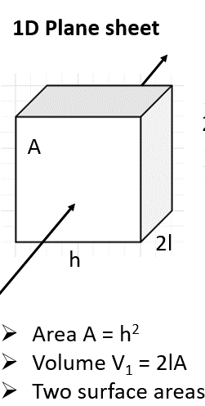
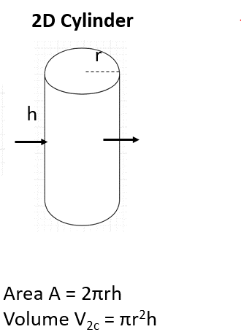
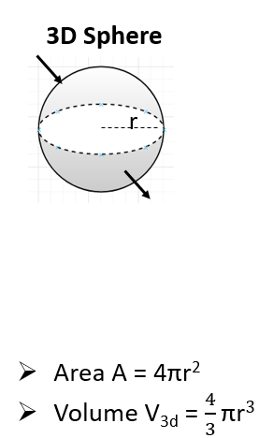
 | 0.3Li[Li0.33Mn0.67]O2·0.7Li[Ni0.5Co0.2Mn0.3]O2
 | XRD/crystal structure |  |  |  |  |  | Electrode macroscopic |  |  | Active material |  |  |  |  |  | Particle geometry |  |  | Impedance and related material parameters |  |  |  |  |  |  |  |  |  |  |  |  |  |  |  |  |  |  |  |  |  |  |  |  |  |  |  | Limiting resistances and capacitances
 | Unit cell parameters |  |  | Unit cell volume | Mw | density | Electrode thickness | Electrode volume | Electrode area | Weight | Total volume | Number of particles | Total surface area | epsilon | Specific area | Radius(or half length) | Volume | Surface area | Ohmic | TL resistance |  | Charge transfer |  |  |  | Diffusion and Intercalation |  |  |  |  |  |  |  |  |  |  |  |  |  |  |  |  |  |  |  |  | Diffusion |  | Intercalation |  | Full TLM
 | a/A | c/A | Z | V1/cm3 | M/g.mol-1 | p/g.cm-3 | d/cm | Ve/cm3 | S_e/cm2 | m/g | V_T/cm3 | N | S_eff/ cm2 |  | cm2/cm3 | r/cm (or l/cm) | V_p /cm3 | S_p /cm2 | R_ohm/Ω | R_m/ Ω.cm-1 | R_m/Ω | R_ct/Ω.cm2 | R_ct/Ω | C_dl/ F.cm-2 | Cdl/F | s_ion /Ω-1.cm-1 | s_eon /Ω-1.cm-1 | R_ion /Ω | R_eon/ Ω | R_d/Ω | dU/dc/ (V.cm3.mol-1) | C_i+C_d /F.cm-3 | Ci/ F cm-3 | C_d/ F.cm-3 | C_i+C_d /F | Cd/F | Ci/F | P_HN | U_HN | tau_HN/s | tau_i/s | R_i /Ω.cm^3 | R_ic/Ω | Qw/ F.cm-2 | Qw/F | D/ cm2s-1 | Z'0 | C'0 | Z'0 | C'0 | Z'0_Bisquert | C'0_Bisquert | Z'0_Bisquert_diffusion | C'0_Bisquert_diffusion | Z'0_final | C'0_final
3d Sphere | 2.8613 | 14.238 | 6 | 2.522E-22 | 425.34 | 16.811 | 0.003 | 0.0033 | 1.1 | 0.031 | 0.0018441 | 130440456 | 36.881 | 0.55881 | 20000 | 0.00015 | 1.414E-11 | 2.827E-07 | 6.16 | 2080 | 6.24 | 170.50000001 | 4.623 | 2.47E-08 | 9.10E-07 | 1.8764440191E-06 | 0.1 | 26.01 | 0.00048805393131 | 26.01 | -161.48 | 597.59 | 559.64 | 37.96 | 1.102 | 0.07 | 1.032 | 1 | 1 | 100 | 100 | 0.1787 | 96.90 | 0.00030545454545 | 0.000336 | 1.235788433E-08 | 5.202 | 0.023333333333 | 94.024720171 | 1.102 | 12.696987771 | 1.24E-07 | 18.06469985 | 0.023334243333 | 106.88751254 | 1.10200091
2d Cylinder | 2.8613 | 14.238 | 6 | 2.522E-22 | 425.34 | 16.811 | 0.003 | 0.0033 | 1.1 | 0.031 | 0.0018441 |  | 24.587 | 0.55881 | 13333 | 0.00015 |  |  | 6.16 | 2080 | 6.24 | 170.50000001 | 6.934 | 2.47E-08 | 6.07E-07 | 1.8764440191E-06 | 0.1 | 26.01 | 0.00048805393131 | 26.01 | -161.48 | 597.59 | 559.64 | 37.96 | 1.102 | 0.07 | 1.032 | 1 | 1 | 100 | 100 | 0.1787 | 96.90 | 0.00030545454545 | 0.000336 | 1.235788433E-08 | 6.5025 | 0.035 | 94.36452944 | 1.102 | 15.05946436 | 1.31E-07 | 21.676700037 | 0.035000606667 | 109.53885085 | 1.1020006067
1d Planar | 2.8613 | 14.238 | 6 | 2.522E-22 | 425.34 | 16.811 | 0.003 | 0.0033 | 1.1 | 0.031 | 0.0018441 |  | 12.294 | 0.55881 | 6667 | 0.00015 |  |  | 6.16 | 2080 | 6.24 | 170.49999998 | 13.869 | 2.47E-08 | 3.03E-07 | 1.8764440191E-06 | 0.1 | 26.01 | 0.00048805393131 | 26.01 | -161.48 | 597.59 | 559.64 | 37.96 | 1.102 | 0.07 | 1.032 | 1 | 1 | 100 | 100 | 0.1787 | 96.90 | 0.00030545454545 | 0.000336 | 1.235788433E-08 | 8.67 | 0.07 | 93.649957247 | 1.102 | 22.049034155 | 1.21E-07 | 30.778670544 | 0.070000303333 | 115.75876394 | 1.1020003033

